Sheet1
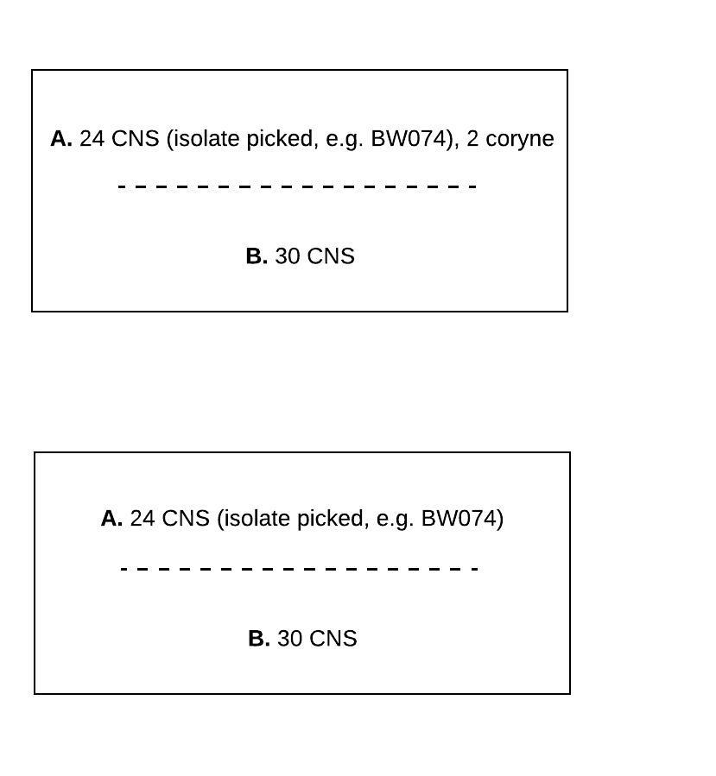
quarter_code | freq
1 | 96 | Isolate was present in both duplicates AND fewer than 3 types of different morphs total which would = “contam;” AND “minor growth (less than 3 CFU) of something else present in one or both duplicates (no isolate of second org picked) OR a different isolate picked from one or both duplicates
2 | 844 | Isolate was present in both duplicates, no other growth
3 | 1562 | 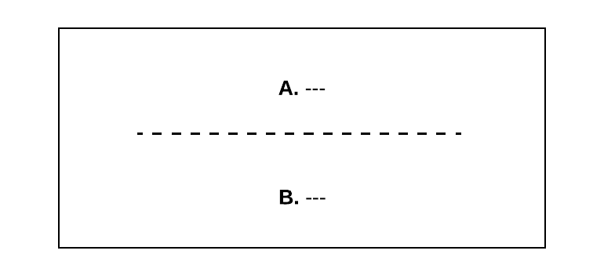
“contam” if ≥3 morphs
4 | 238 |  | 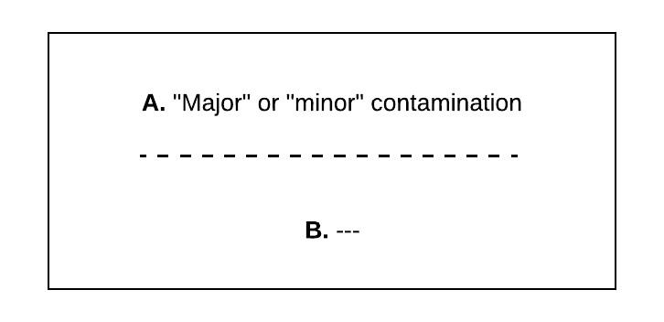
≤2 CFU of each morph in ONE dup, NG in other, or just molds in 1
5 | 669 | 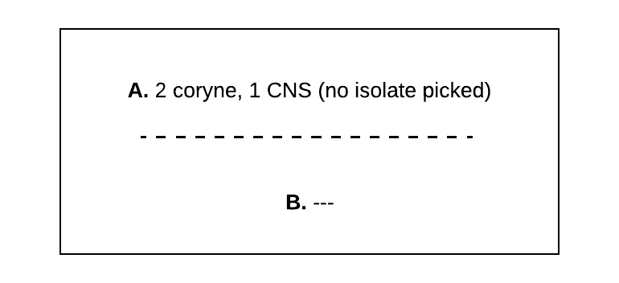
≤2 CFU of each morph in BOTH dup, NOT SAME ORG
6 | 61 |  | 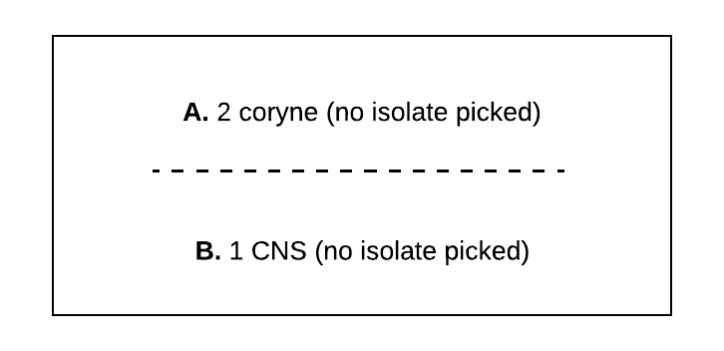
7 | 77 |  | 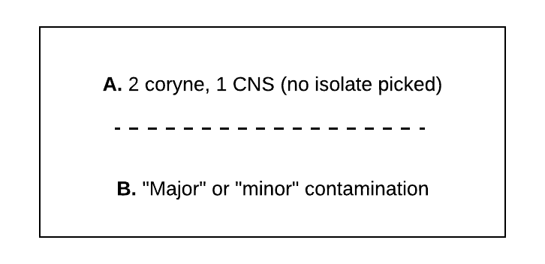
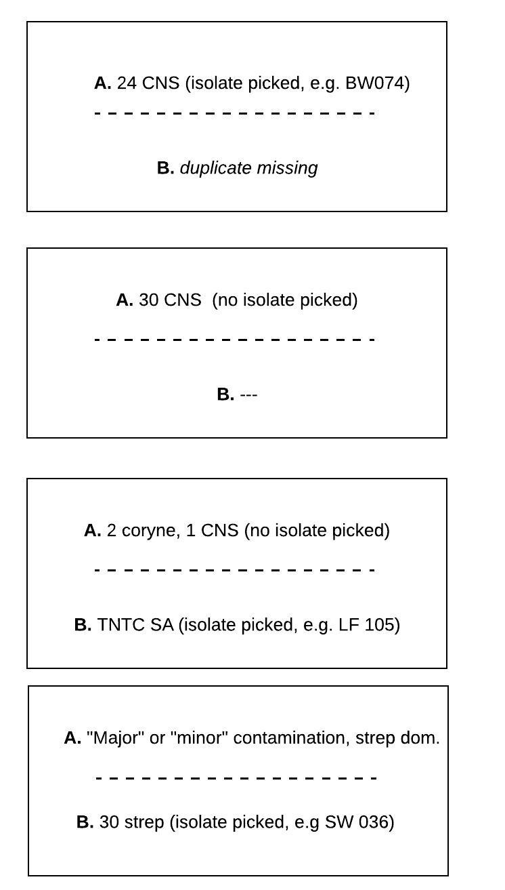
8 | 123
≥3 CFU of 1 morph in one dup YES in parallel
9 | 3
≥3 CFU of 1 morph in one dup YES in parallel
10 | 122
≥3 CFU of 1 morph in one dup YES in parallel
11 | 2
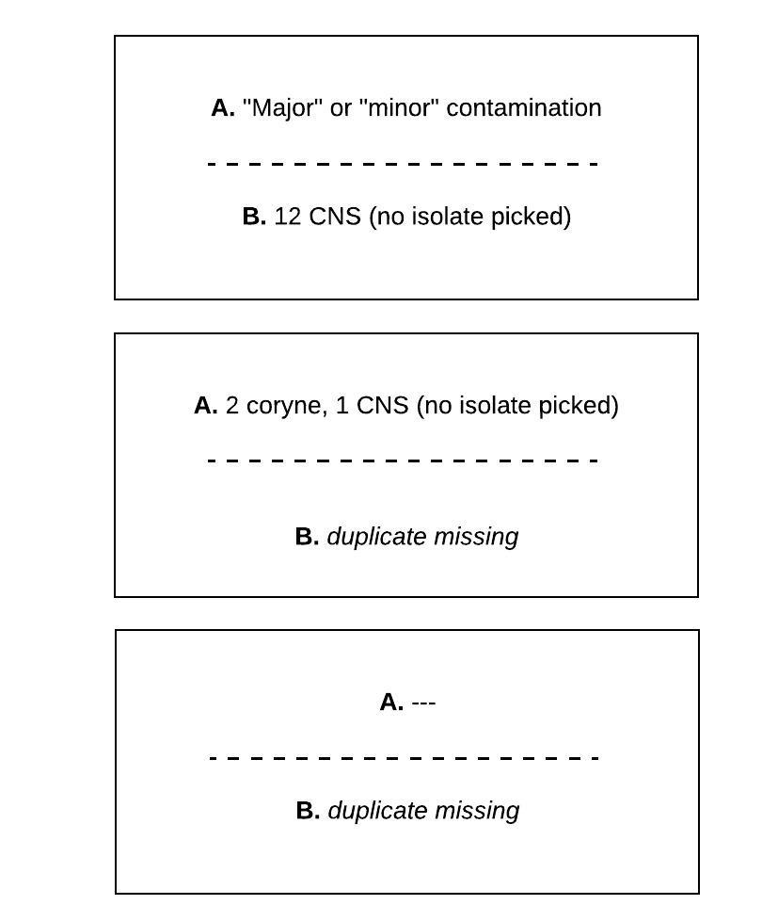
12 | 61
≥3 CFU of 1 morph in one dup YES in parallel
13 | 32
14 | 7
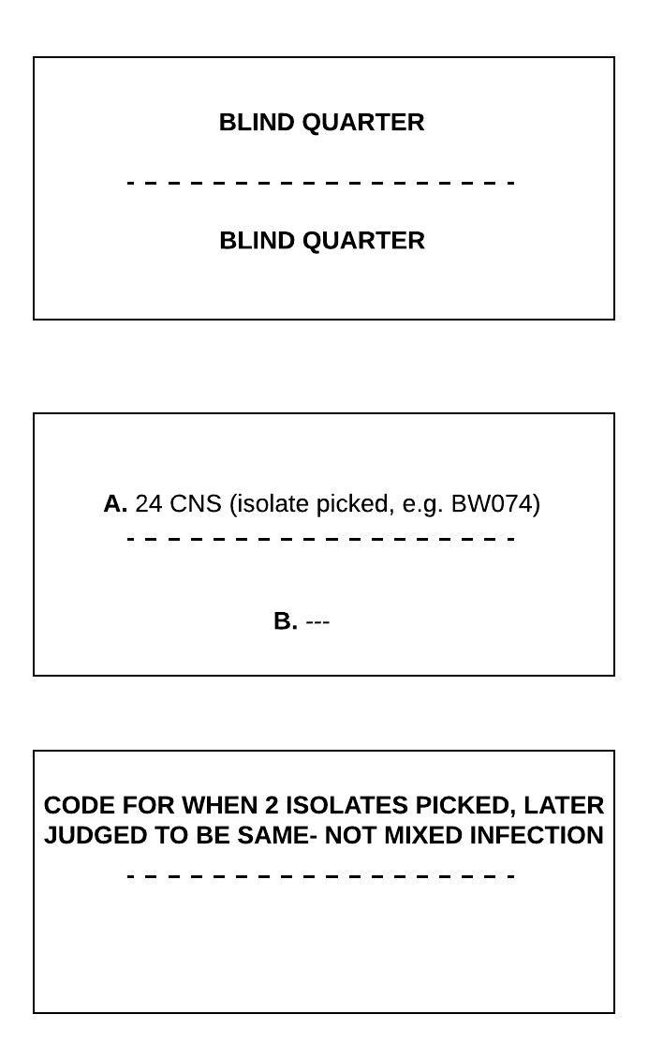
15 | 25
16 | 88
≥3 CFU of 1 morph in one dup YES in parallel
17 | 10
18
19 | 10
20 | 26
21 | 4
22 | 8
23 | 18
24 | 4
25 | 5
26 | 4
27 | 93 | 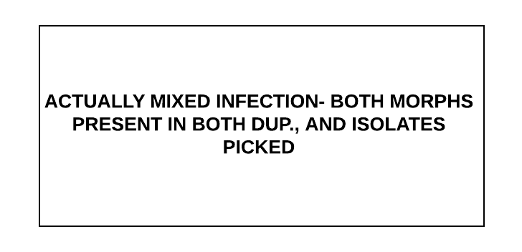
28 | 3
29 | 11
30 | 2
32 | 3
NA | 1

